A demo of IO ports descrip
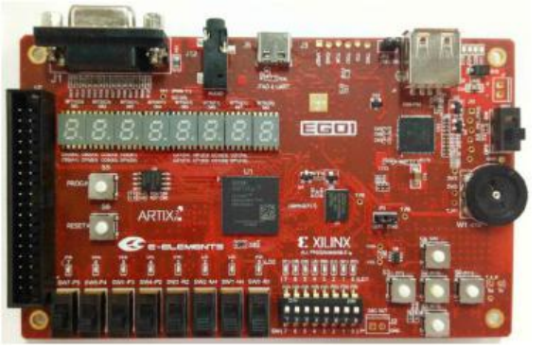
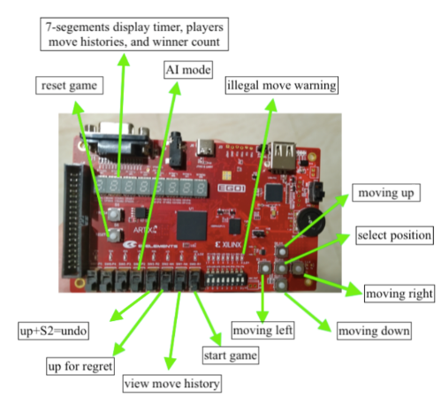
Free Mode
the current node

tone up

the current tone
tone down

fa
confirm the adjust
do
re
mi
so
la
adjust mode
si

Top module

Auto Mode

song index indicator

confirm mode

mode choosen 1.2.3.4
reset

current saved level
Learning Mode
start/pause
level in this game

note indicator
notes
song index down
reset
song index down

user-choose up
user index

user-choose down
confirm the level
notes
note indicator
Recording Music Mode

note indicator

replay the record
play

confirm to record

